Sheet1
Calculate Distance Between Bolts on Circle
International Brotherhood of Live Steamers |  | http://ibls.org

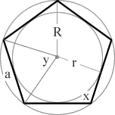
Diameter of Bolt Pattern | 9.0000
Number of Bolts | 5.0000

Length Between Bolts (a) | 5.2901

Instructions
1. Fill in values for both green boxes above
2. Scribe the circle using the diameter you specified
3. Mark the first hole anywhere on the scribed circle
4. Set caliper or divider to the length (a) in the blue box above
5. Place one point of caliper or divider on first hole and mark the second hole with the other end
6. Continue all around the circle for all bolt holes

